Instructions
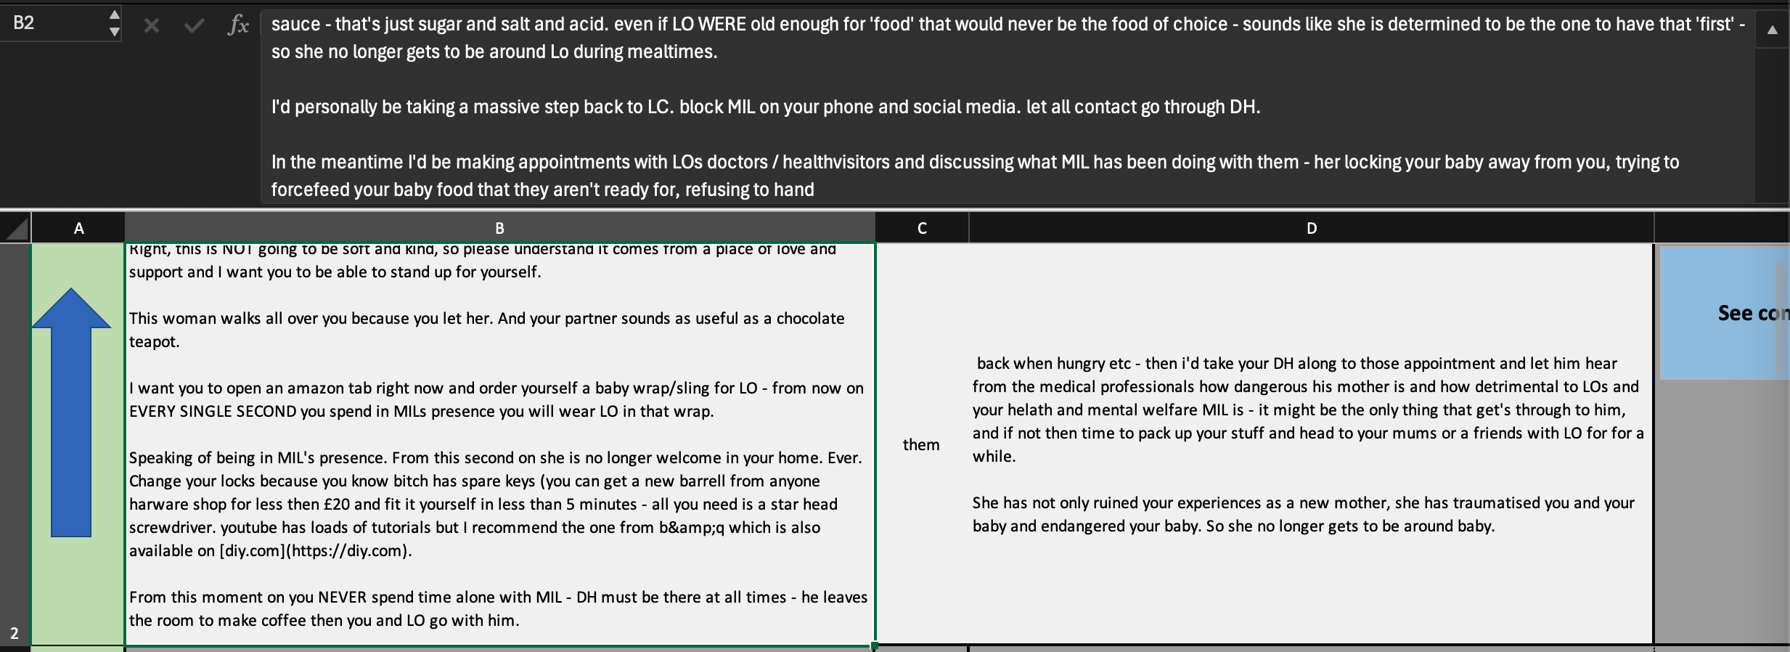

annotation
See comment on Reddit
 | Context Left | THEY | Context Right
 | b44l has made the following comment(s) regarding | their | post: [Enjoy! I've personally always enjoyed the early le...](/r/UnearthedArcana/comments/ns3zb5/a_minimalistic_5e_ruleset_for_lowlevel_adventures/h0k62r8/)
57 | Your Comment: |  | Type of 'they': | Examples:
PLURAL
 | eferring to the user 'b44l' |  |  | Semantic and impersonal plurality: plural nouns, people in power / the deciders or authors of something ("they say it's bad for you", "they gave the character a redemption arc"
Doubt
 |  |  |  | Collective: Staff, Congress, a family, any team, the US, the name of a company
 |  |  |  | Notionally plural: Everyone, every NOUN, each NOUN, noone/nobody
GENERIC
 |  |  |  | Grammatically singular, but non-specific / non-referential. A person in a hypothetical scenario. A sentence using the singular for something that applies to all X ("The employee has the right to their opinion in this situation")
Remove choice
SINGULAR
 |  |  |  | Singular grammatically, semantically, and specific. Could be a person of non-binary gender identity, but doesn't have to be. "My neighbor", "my child" etc -- Gender remains obscured, but it is clearly a single person "The driver", "the costume artist", "someone I talked to once" -- The gender is not known but it is clearly a single person

57
16

Export Data Table

